Introduction
 |  |  |  | March 31, 2026 Ed.
Labeling Scheme based on Japan Cyber-Security Technical Assessment Requirements (JC-STAR) STAR-1 Checklist for products with the UK PSTI Act compliance

１. | Purpose and Positioning of this checklist

 | This checklist is used to assess conformance to the STAR-1 Conformance Criteria of the “Labeling Scheme based on Japan Cyber-Security Technical Assessment Requirements (JC-STAR) (hereafter referred to as ‘the Scheme’). In order to acquire the STAR-1 label under the Scheme, it is necessary to use this checklist to assess and record the conformance of the target IoT product to the conformance criteria. When using this checklist, please read the “STAR-1 Conformance Requirements and Assessment Procedures,” “STAR-1 Assessment Methods and Guide,” “2. How to use the checklist” on this sheet, and the related “FAQ.”

２. | How to use the checklist

 | This checklist consists of “#1-16 (STAR-1 Conformance Requirement Number),” “Assessment Result” and “Glossary” sheets. By entering and selecting information on the “#1-16” sheets, the results will be displayed on the “Assessment Result” sheet. The “Glossary” contains explanations of terms used in this checklist. The applicant that uses this checklist to apply is required to enter and select “Assessment Result,” “Name of Evidence,” and “Evidence-based rationale/reasons for being Not Applicable (NA)” on each of the “#1-16” sheets. Cells that need to be entered/selected by the applicant are painted light green. For the “Assessment Result,” please select “Conforming (Y),” “Non-Conforming (N),” or “Not Applicable (NA)” based on the “Assessment Methods” and “Assessment Guide” described in the “#1-16” sheets. Please note that “Not Applicable (NA)” cannot be selected if the “Conditions for being NA” described in each sheet are not satisfied. The “Assessment Methods” section contains the designated assessment methods for each item. When assessing, the designated assessment methods must all be performed in accordance with the STAR-1 Assessment Guide. If you assessed it as “Conformance (Y),” please state the name(s) of the technical document(s) (evidence) used for the assessment and the basis for the “Conformance (Y)” assessment. If you assessed it as “Not Applicable (NA),” please state the name(s) of the document(s) or other evidence used for the assessment, the reason for the “Not applicable (NA)” assessment, and the basis for determining that appropriate measures have been taken against the threats.

 |  | STAR-1 Conformance Requirement No. | S1.1-01
 |  | Assessment Result | Select "Conforming (Y)," "Non-Conforming (N)," or "Not Applicable (NA)."
 |  | Name of evidence | Please describe the following information. [Document assessment] Name of technical documents, etc. used in the assessment. Name of internal documents, rules, etc. used in the assessment. [Device check] Name(s) of the information or document(s) (reports, photographs, videos, screenshots, logs (system output), etc.) that can be used to verify the results of device checks. *It is acceptable to use the results of tests carried out at the time of product development, or the evidence created at the time of acquiring other certifications (such as Common Criteria), as evidence for this Scheme.

 |  | Evidence-based rationale/reasons for being exempt (NA) | For each assessment item, please describe the following information. For assessments based on “document assessment”: Information that shows the relevant part where the evidence-based rationale is described (name, document number, location (page number, chapter number, URL, etc.)). For assessments based on “device check”: Summary of assessment results. For “Not Applicable (NA)”: Please provide basis to determine whether appropriate measures have been taken against the threats (why it is acceptable to judge it as “Not Applicable (NA)”) according to supplementary explanations.

 | 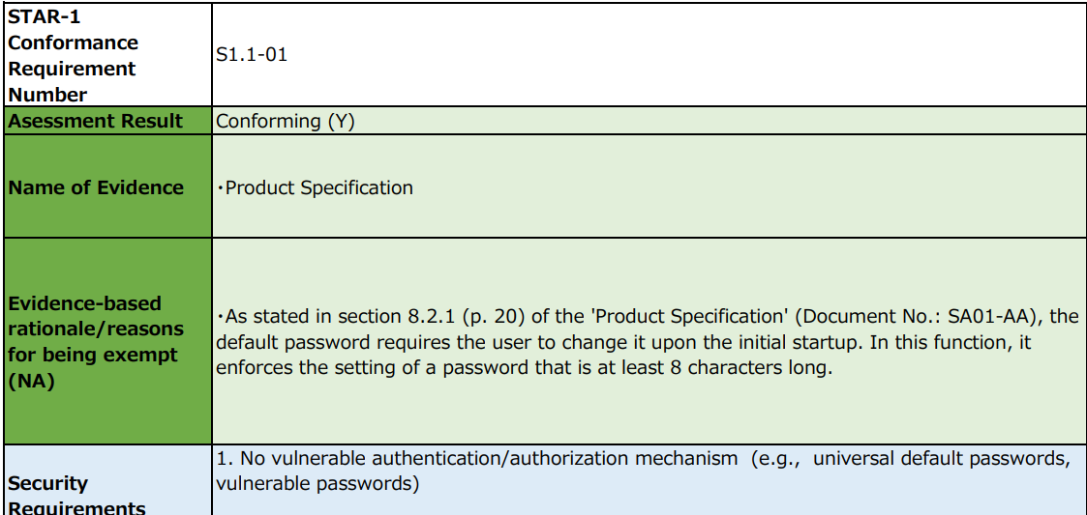 1. Example of entry if the assessment result is “Conforming (Y).”

 | 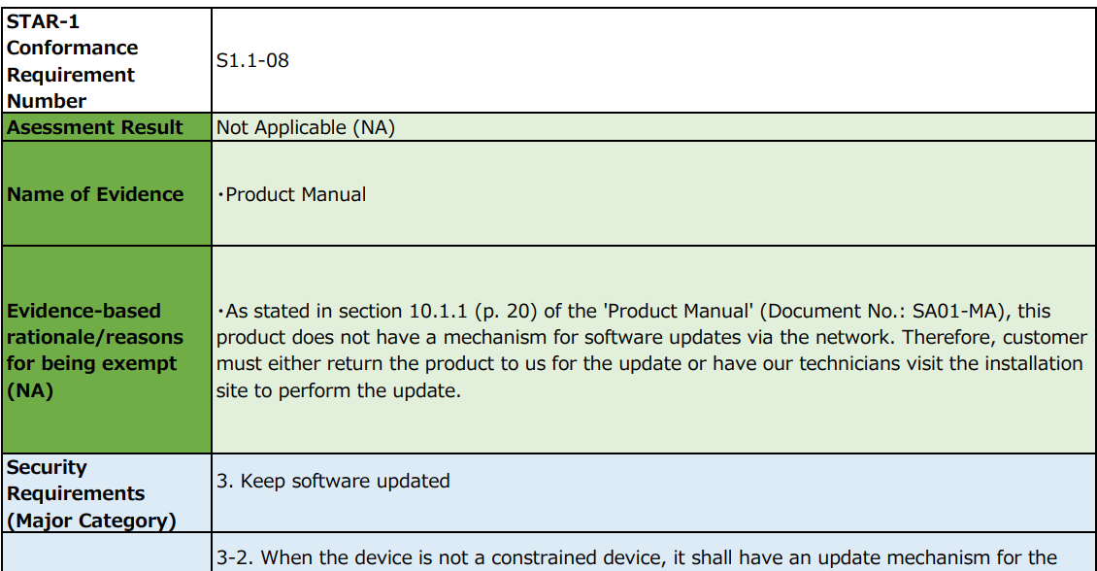 2. Example of entry if the assessment result is “Not Applicable (NA).”

 | The results entered in the “#1-16” sheets will be displayed in the “Assessment Result” sheet. If “YES” is not indicated in the Conformance Confirmation column on the “Assessment Result” sheet, application for a conformance label is unacceptable. If “YES” is not indicated, the sheet(s) in “#1-16” may not have been filled out or may contain “Non-Conforming (N).”

3. | Precautions

 | ● The products with PSTI compliance are recognized as meeting JC-STAR-1 Conformance Requirements S1.1-02 (non-common default passwords), Conformance Requirements S1.1-05 (vulnerability disclosure policy), and Conformance Requirements S1.1-16 (product information provision). Therefore, there is NO NEED to fill in the "#2, #5, and #16" sheets. ● Please fill in this checklist in Japanese or English. In addition, evidence that can be used for assessment must be prepared in Japanese or English. Evidence written in other languages is unacceptable. ● The STAR-1 Conformance Criteria indicates the security requirements that must be met based on the assets to be protected and threats to be countered, etc., and do not guarantee complete prevention of damage in the event of a cyber-attacks. ● The validity period of the granted conformance label (two years in principle) must be renewed periodically. ●If it is determined that the application contains false information or otherwise falls under the grounds for revocation of the conformance label, the conformance label may be revoked. ●Note that only the “Assessment Result for Public” sheet will be made public. In addition, sheets other than “Assessment Result for Public” sheet, such as “Assessment Result” sheet will not be made public.

Assessment Result
[How to fill in the form]
・Please enter the same information as on the application form for “Name of Applying Company,” “Name of Product being Applied for” and “Firmware Version Name of the Applied Product.”
・Please select the same information as on the application form for “Assessment Methods.”
・Please enter the same information as on the application form for “Assessment Completion Date.”
Please enter in the format “4 digits of the Year/Month/Day.”
Name of Applying Company |  |  |  |  |  | Conformance Requirements version
Name of Product being Applied for |  |  |  |  |  | JST-CR-01-01-2024/2024R1
Firmware Version Name of the Applied Product
Assessment Method |  |  |  |  |  | Conformance Confirmation
Assessment Completion Date (YYYY/MM/DD) |  |  |  |  |  | NO
 |  |  |  |  |  | If "YES" is not indicated, application for a conformance label is unacceptable.

STAR-1 Conformance Requirement Number | Security Requirements (Major Category) | Security Requirements | STAR-1 Conformance Requirement | Conditions for being Not Applicable (NA) and Supplementary Explanation | Assessment Result | Name of Evidence | Evidence-based rationale/reasons for being exempt (NA)
S1.1-01 | 1. No vulnerable authentication/authorization mechanism (e.g., universal default passwords, vulnerable passwords) 5. Communicate securely | 1-3. Authentication mechanisms used to authenticate users to the product shall use technology that can reduce the assumed risk, which is appropriate for the characteristics of the product's intended use, etc. 5-5. Product functionality that allows security-relevant changes in configuration via a network interface shall only be accessible after authentication. The exception is for network service protocols that are relied upon by the product and where the manufacturer cannot guarantee what configuration will be required for the product to operate. | Access control based on appropriate authentication shall be in place for access by other IoT devices or users to the information assets to be protected via IP communication to the IoT product. Note that IoT products that have acquired technical standards conformity certification including technical standards for terminal equipment security based on the Telecommunications Business Act (IoT products to which the Technical Qualification [T] Mark or [A] Mark is granted) are deemed to be in conformance with this conformance requirement. In this case, the "Technical Standards Conformity Certification Number, etc., under the Telecommunications Business Act (Design Certification Number for the Technical Qualification [T] Mark or Technical Standards Conformity Certification Number for the [A] Mark)" shall be described on the JC-STAR label application form. (Please note that JC-STAR label application form is attached to the Assessment Guide in Japanese version only.) | [Conditions for being Not Applicable (NA)] No mechanism exists for authentication and access to the information assets to be protected via IP communication. (The rationale why user authentication is not required to counter unauthorized access from outside shall be described in the "Reasons for being NA" field.) [Definition of Terms: information assets to be protected] All of the following information:  Setting information on communication functions  Configuration information on security functions  Generally sensitive information, such as personal information, that is collected, stored, or communicated by the IoT device in the intended use of the IoT device | - | - | -
S1.1-02 | 1. No vulnerable authentication/authorization mechanism (e.g., universal default passwords, vulnerable passwords) | 1-1. Where passwords are used and in any state other than the factory default, all passwords shall be unique per device or defined by the user. 1-2. Where pre-installed unique passwords are used, these shall be sufficiently randomized against automated attacks. | If IoT product uses passwords in the user authentication mechanism via the network and a default password is used at the time of installation of the IoT product, either of the following criteria (1) or (2) shall be satisfied. (1) The default password shall be a unique value that differs for each IoT device and shall be at least 6 characters in length that cannot be easily guessed. (2) For the default password, a function that requires the user to change the password at the first startup shall be implemented, and the user is required to set a password of 8 characters or more that can be set in such a function. | [Conditions for being Not Applicable (NA)] No mechanism for password-based user authentication over the network. (The rationale why password-based user authentication is not necessary to counter threats shall be described in "Reasons for being NA" field.) | Compliance based on mutual recognition | *** NO NEED TO FILL IN THIS SHEET *** | *** NO NEED TO FILL IN THIS SHEET ***
S1.1-03 | 1. No vulnerable authentication/authorization mechanism (e.g., universal default passwords, vulnerable passwords) | 1-4. For user authentication against the product, the products shall provide to the user or an administrator a simple mechanism to change the authentication value used. | It shall be possible to change the authentication value used for user authentication through the network to the IoT product, regardless of the type of authentication (e.g., password, token, fingerprint). | [Conditions for being Not Applicable (NA)] There is no mechanism for user authentication over the network. (The rationale why user authentication is not necessary to counter unauthorized access from outside shall be described in the "Reasons for being NA" field.) [Definition of Terms: authentication value] Individual values of attributes used in authentication mechanisms for IoT products. (e.g. For the password-based authentication mechanism, the authentication value is a string of characters. For the biometric fingerprint authentication, the authentication value is the fingerprint data of the index finger of the left hand, for example.) | - | - | -
S1.1-04 | 1. No vulnerable authentication/authorization mechanism (e.g., universal default passwords, vulnerable passwords) | 1-5. When the device is not a constrained device, it shall have a mechanism available which makes brute-force attacks on authentication mechanisms via a network impracticable. | If the IoT device is not a constrained device, the IoT device shall employ the mechanism of user authentication over the network to the IoT device that make brute force attack difficult. | [Conditions for being Not Applicable (NA)] One of the following conditions applies. (OR Condition)  There is no mechanism for user authentication over the network for IoT devices. (The rationale why user authentication is not necessary to counter unauthorized access from the outside shall be described in the "Reason for being Not Applicable (NA)" field.)  The IoT device falls under the category of "constrained device. " (The rationale why the device falls under the category of "constrained device " shall be described in the "Reason for being Not Applicable NA" field.) [Definition of Terms: constrained device] Device that has physical constraints for its intended use, either in its ability to process data, communicate data, store data, or interact with the user. | - | - | -
S1.1-05 | 2. Managing vulnerability reports | 2-1. The manufacturer shall make a vulnerability disclosure policy publicly available. This policy shall include, at a minimum: • contact information for the reporting of issues; and • information on timelines for: 1) initial acknowledgement of receipt; and 2) status updates until the resolution of the reported issues. | The manufacturer shall make publicly available (e.g. post on the manufacturer's website) a vulnerability disclosure policy that includes all of the following information (1) through (3) below: (1) Contact information for reporting IoT product security issues to the manufacturer (e.g., Web site URL of the manufacturer etc., phone number, email address) (2) Procedures and overview of what manufacturer does after receiving reports on the security of IoT product (3) Procedures and overview of what manufacturer does for status updates of the IoT product and vulnerability until the vulnerability is resolved. | [Conditions for being Not Applicable (NA)] None | Compliance based on mutual recognition | *** NO NEED TO FILL IN THIS SHEET *** | *** NO NEED TO FILL IN THIS SHEET ***
S1.1-06 | 3. Keep software updated | 3-1. Particular software components included in products shall be updateable. 3-2. When the device is not a constrained device, it shall have an update mechanism for the secure installation of updates. | All of the following criteria (1) through (3) shall be met for the update function of software components of the IoT product: (1) The firmware (software) package of the IoT product shall be updatable. (2) The firmware (software) package shall have a means to verify that the latest firmware (software) is installed, e.g., the IoT product implements a function to check the version of the firmware (software) package. (3) The version of the updated firmware (software) package shall be kept after the power is turned off. Note that IoT products that have acquired technical standards conformity certification including technical standards for terminal equipment security based on the Telecommunications Business Act (IoT products to which the Technical Qualification [T] Mark or [A] Mark is granted) can be deemed to be in conformance with this Conformance Requirement. In this case, the "Technical Standards Conformity Certification Number, etc., under the Telecommunications Business Act (Design Certification Number for the Technical Qualification [T] Mark or Technical Standards Conformity Certification Number for the [A] Mark)" shall be described on the JC-STAR label application form. (Please note that JC-STAR label application form is attached to the Assessment Guide in Japanese version only.) | [Conditions for being Not Applicable (NA)] None | - | - | -

S1.1-07 | 3. Keep software updated | 3-3. When the product implements an update mechanism, the update shall be simple for the user to apply. | It shall be enabled for users to perform software updates in an easy and understandable procedure when applying updates. | [Conditions for being Not Applicable (NA)] None | - | - | -
S1.1-08 | 3. Keep software updated | 3-2. When the device is not a constrained device, it shall have an update mechanism for the secure installation of updates. 3-7. When the product implements an update mechanism, the product shall use best practice cryptography to facilitate secure update mechanisms. 3-10. Where updates are delivered over a network interface, the product shall verify the authenticity and integrity of each update via a trust relationship. | When updating software via a network, there shall be a mechanism to verify software integrity prior to updating. | [Conditions for being Not Applicable (NA)] No mechanism exists to update software over the network. (The assumed update mechanism shall be described in the "Reason for being an NA" field.) | - | - | -
S1.1-09 | 3. Keep software updated | 3-8. When the product implements an update mechanism, security updates shall be timely. | The manufacturer shall document policies and guidelines for prioritizing security updates for the purpose of rapid updates to security issues. | [Conditions for being Not Applicable (NA)] None | - | - | -
S1.1-10 | 3. Keep software updated | 3-14. The model designation of the products shall be clearly recognizable, either by labelling on the product or via a physical interface. | The model number of the IoT product shall be provided to the user in one of the following measures (1) The model number of the IoT product is labelled directly on the IoT product itself. (2) Users can recognize the model number by the GUI, web UI, etc., of the IoT product or the GUI, web UI, etc., of software or applications (e.g., smartphone apps) associated with the IoT product. | [Conditions for being Not Applicable (NA)] None | - | - | -
S1.1-11 | 4. Securely store sensitive parameters | 4-1. Sensitive security parameters in the product’s storage shall be stored securely by the product. | Information assets to be protected that are stored in the storage of IoT products (including information assets to be protected that are stored on storage media such as SD cards) shall be stored securely. | [Conditions for being Not Applicable (NA)] None [Definition of terms: information assets to be protected] All of the following information: ・ Configuration information on communication functions ・ Configuration information on security functions ・ Generally sensitive information, such as personal information, that is collected, stored, or communicated by the IoT device in the intended use of the IoT device | - | - | -
S1.1-12 | 5. Communicate securely | 5-1. The product shall use best practice cryptography to communicate securely. 5-7. The product shall protect the confidentiality of critical security parameters that are communicated via remotely accessible network interfaces. | For information assets to be protected that are transmitted over a network, one of the following protection measures against information interception shall be in place (1) For information assets to be protected that are transmitted over a network to other IoT devices and servers (including servers in the cloud), the IoT device itself takes protective measures against information eavesdropping. (2) Information assets to be protected that are transmitted over a network to other IoT devices or servers (including servers in the cloud) are transmitted only in a protected communication environment (Virtual Private Network environment or connection environment via a leased line). | [Conditions for being Not Applicable (NA)] There are no information assets to be protected that are transmitted over the network. (The rationale why there are no information assets to be protected that are transmitted over the network shall be described in the "Reason for being NA" field.) [Definition of terms: information assets to be protected] All of the following information: ・ Configuration information on communication functions ・ Configuration information on security functions ・ Generally sensitive information, such as personal information, that is collected, stored, or communicated by the IoT device in the intended use of the IoT device | - | - | -
S1.1-13 | 6. Minimize exposed attack surfaces | 6-1. All unused network physical interfaces and logical interfaces shall be disabled. | In order to reduce the risk of external cyber attacks on IoT products, interfaces that are unnecessary for the use of IoT products and at risk of being attacked shall be disabled, and vulnerability tests shall be performed on IoT products. Specifically, all of the following criteria (1) and (2) shall be met. (1) In IoT products, for the interfaces that are used frequently and are assumed risks of vulnerability, the following interfaces which is unnecessary to use the IoT product and at a risk of being attacked shall be disabled. (A) TCP/UDP port (B) Bluetooth (C) USB (2) Vulnerability inspection shall be conducted against the IoT product using vulnerability scanner and no vulnerabilities that could be exploited in an attack are detected. | [Conditions for being Not Applicable (NA)] None | - | - | -
S1.1-14 | 9. Resilience to outages | 9-1. Resilience shall be built into the products and services, taking into account the possibility of outages of data networks and power. | When the power supply and network functionality are turned off and restored due to a power outage or other reason, the authentication values (passwords, private keys, etc.) used for access control and the software that has completed the setting and updating shall maintain the state immediately before the power was turned off without returning to the initial factory settings. Note that IoT products that have acquired technical standards conformity certification including technical standards for terminal equipment security based on the Telecommunications Business Act (IoT products to which the Technical Qualification [T] Mark or [A] Mark is granted) are be deemed to be in conformance with this conformance requirement. In this case, the "Technical Standards Conformity Certification Number, etc., under the Telecommunications Business Act (Design Certification Number for the Technical Qualification [T] Mark or Technical Standards Conformity Certification Number for the [A] Mark)" shall be described on the JC-STAR label application form. (Please note that JC-STAR label application form is attached to the Assessment Guide in Japanese version only.) | [Conditions for being Not Applicable (NA)] None | - | - | -
S1.1-15 | 11. Delete user data | 11-1. The user shall be provided with functionality such that user data can be erased from the product in a simple manner. | All of the following criteria (1) and (2) shall be met for the function of deleting data stored in the storage of the IoT product while using the IoT product: (1) At least the following data about the user can be deleted by the user via the IoT device itself or associated services (e.g., mobile applications.) A) Information assets (including personal information) acquired while using the IoT products (B) User set value (C) Authentication values set by the user, cryptographic keys and digital signatures obtained while using the IoT products (2) The version of the firmware (software) package related to the updated security functions shall be maintained after the data is deleted. | [Conditions for being Not Applicable (NA)] None | - | - | -
S1.1-16 | 17. Provide information on products | 17-2. The manufacturer shall provide users with guidance on how to securely set up, use and dispose of their products. 17-3. The manufacturer shall inform the user in a recognizable and apparent manner that a security update is required together with information on the risks mitigated by that update. 17-5. The manufacturer shall provide the user with a specified procedure for disposing of the product. 17-8. The manufacturer shall publish, in an accessible way that is clear and transparent to the user, the defined support period. 17-10. The manufacturer shall provide the user with information in a specified manner regarding product usage that may pose a security risk. | Manufacturer shall take actions to provide information on cyber security of IoT products that meet all of the following criteria (1) through (5) below: (1) Manufacture shall inform users about safe procedures for setting up and using IoT products that have implications for cybersecurity for the use of IoT products, including how to configure the initial setting. (2) There shall be a mechanism to inform the content of the update, the necessity of the update, and the consequences of not updating the product when security updates for IoT products are released. (3) Manufacturer shall inform disclaimers for accidents and failures that can be expected when updates are not made, and for accidents and failures that can be expected in general. (4) Manufacturer shall inform the policy on the expiration or termination of support for the product or service. (5) Manufacturer shall inform the possible risks of disposing of or selling used IoT products with information assets to be protected remaining in the IoT products, and how to safely terminate the use of IoT products, including data erasure. | [Conditions for being Not Applicable (NA)] None [Definition of terms: information assets to be protected] All of the following information: ・ Configuration information on communication functions ・ Configuration information on security functions ・ Generally sensitive information, such as personal information, that is collected, stored, or communicated by the IoT device in the intended use of the IoT device | Compliance based on mutual recognition | *** NO NEED TO FILL IN THIS SHEET *** | *** NO NEED TO FILL IN THIS SHEET ***

#1
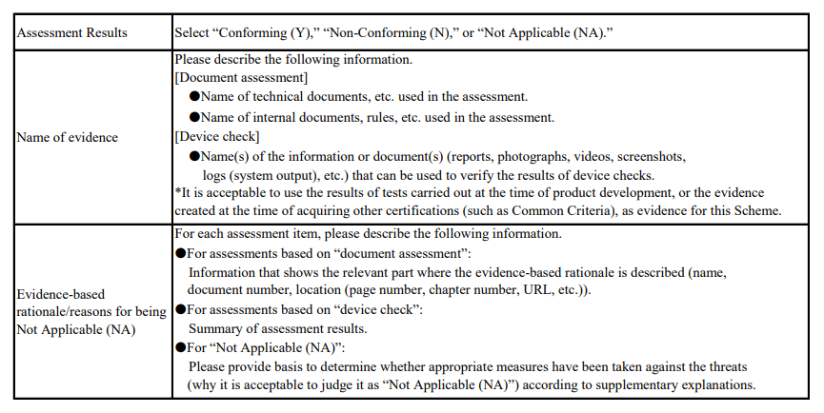
STAR-1 Conformance Requirement Number | S1.1-01
Asessment Result
Name of Evidence
Evidence-based rationale/reasons for being exempt (NA)
Security Requirements (Major Category) | 1. No vulnerable authentication/authorization mechanism (e.g., universal default passwords, vulnerable passwords) 5. Communicate securely
Security Requirements | 1-3. Authentication mechanisms used to authenticate users to the product shall use technology that can reduce the assumed risk, which is appropriate for the characteristics of the product's intended use, etc. 5-5. Product functionality that allows security-relevant changes in configuration via a network interface shall only be accessible after authentication. The exception is for network service protocols that are relied upon by the product and where the manufacturer cannot guarantee what configuration will be required for the product to operate.
STAR-1 Conformance Requirement | Access control based on appropriate authentication shall be in place for access by other IoT devices or users to the information assets to be protected via IP communication to the IoT product. Note that IoT products that have acquired technical standards conformity certification including technical standards for terminal equipment security based on the Telecommunications Business Act (IoT products to which the Technical Qualification [T] Mark or [A] Mark is granted) are deemed to be in conformance with this conformance requirement. In this case, the "Technical Standards Conformity Certification Number, etc., under the Telecommunications Business Act (Design Certification Number for the Technical Qualification [T] Mark or Technical Standards Conformity Certification Number for the [A] Mark)" shall be described on the JC-STAR label application form. (Please note that JC-STAR label application form is attached to the Assessment Guide in Japanese version only.)
Conditions for being Not Applicable (NA) and Supplementary Explanation | [Conditions for being Not Applicable (NA)] No mechanism exists for authentication and access to the information assets to be protected via IP communication. (The rationale why user authentication is not required to counter unauthorized access from outside shall be described in the "Reasons for being NA" field.) [Definition of Terms: information assets to be protected] All of the following information:  Setting information on communication functions  Configuration information on security functions  Generally sensitive information, such as personal information, that is collected, stored, or communicated by the IoT device in the intended use of the IoT device
Assessment Method | ● Document assessment: subject It shall be assessed that the technical documentation of the IoT product clearly describes the method of access control based on appropriate authentication for access to the information assets to be protected from other IoT devices or users.  Device check: None
STAR-1 Assessment Guide | For this conformance requirement, the final decision of "Conforming (Y)" will be made only when the assessment result of the following document assessment is judged as "Conforming (Y)." [Document Assessment] It shall be assessed that the technical documentation of the IoT product clearly describes the method of access control based on appropriate authentication for access to the information assets to be protected from other IoT devices or users. Only when it is confirmed that the following assessment item 1 is satisfied, the assessment result of the document assessment of this conformance requirement is judged as "Conforming (Y)." Assessment Item 1: For IP communications necessary for the intended use of the IoT product (excluding the "exceptional protocols" listed below), ensure that both (1) and (2) below are satisfied for access to the information assets to be protected from other IoT devices or users. (1) Access control based on appropriate authentication is in place, and only other IoT devices or users who are authorized to access the information assets to be protected are allowed to access such information assets. (2) The authentication or access control method used is an implementation similar to or more advanced than any of the following items: A） Implementation of user authentication with passwords used for user authentication in conformance with "STAR-1 Conformance Requirement S1.1-02" B） Implementation of multi-factor authentication functionality using multiple authentication factors C） Implementation of an authentication function using digital certificates D） Implementation of authentication functionality through external authentication services based on standard authentication methods such as OpenID Connect E） Implementation of a function to restrict the target of permitted communication by IP address, etc. F） Implementation of a function to restrict communication to only devices within a LAN. *) Exceptional protocol Example 1: ARP, ICMP (because they a

